moving average
Moving Average
Data
32 | #N/A
59 | 45.5
40 | 49.5
36 | 38
48 | 42
56 | 52
34 | 45
29 | 31.5
27 | 28
21 | 24
48 | 34.5
49 | 48.5
50 | 49.5
42 | 46
35 | 38.5
25 | 30
58 | 41.5
36 | 47
57 | 46.5
29 | 43
49 | 39
20 | 34.5

solver as min
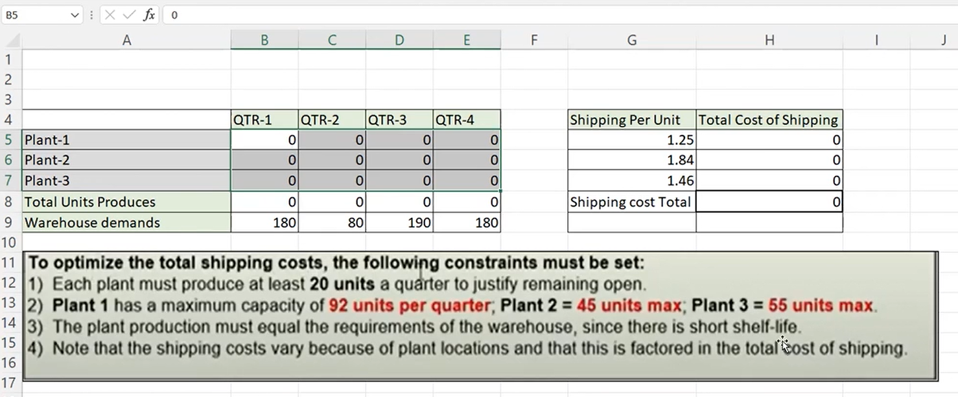
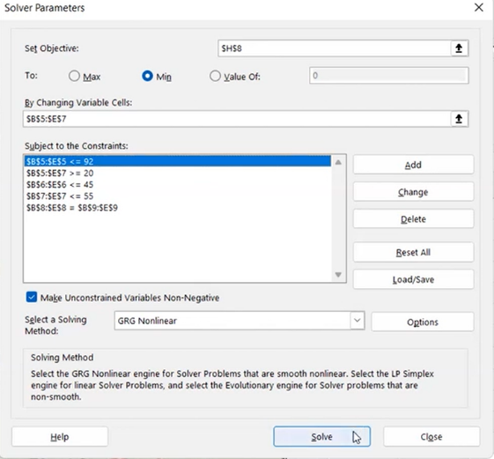
 | QTR1 | QTR2 | QTR3 | QTR4 | shippig per unit cost | total cost of shipping
p1 | 92 | 40 | 92 | 92 | 1.25 | 395
p2 | 33 | 20 | 43 | 33 | 1.84 | 237.36
p3 | 55 | 20 | 55 | 55 | 1.46 | 270.1
total unit pro | 180 | 80 | 190 | 180 | total | 902.46
warehouse demand | 180 | 80 | 190 | 180

